Affordability Calculator
Formulas in place - Complete only non-shaded areas of this form
Name of FAIM applicant:
Current Monthly Net Income |  | Monthly Debt Payments
Applicant net wages |  | Rent / Mortgage payment
Applicant net wages |  | Credit card payment
Applicant net wages |  | Installment loan payment
Other income |  | Vehicle loan payment
Other income |  | Other payment
Other income |  | FAIM saving amount
Monthly Net Income | $0.00 | Current Monthly Debt | $0.00
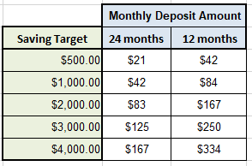
Affordability Calculation
Monthly Net Income | $0.00
Current Monthly Debt | $0.00
Debt To Income Ratio (DTI) | #DIV/0!
 | DTI Ratio Maximum: 0.48% |  | Updated: 3/6/2024

